Debounce
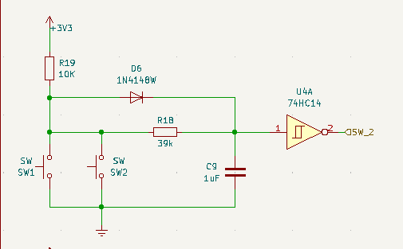
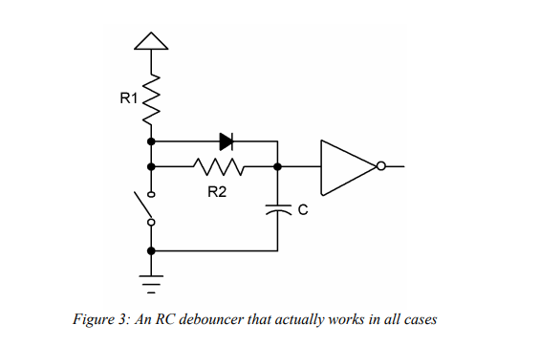
t | 20 | mS
C | 1 | uF
DISCHARGE
Vth | 2 | V
Vinitial | 3.3 | V
R1 | 10 | kOhm
CHARGE
Vth | 0.9 | V
Vfinal | 2.6 | V
Rt | 47 | kOhm
R2 | 37 | kOhm

debouncing.pdf (utah.edu)

Regulator
OUTPUT VOLTAGE
Vout | 4.9 | 5 | 5.2 | 8.6 | 3 | 3.3 | 3.5 | Volt |  | https://www.monolithicpower.com/en/documentview/productdocument/index/version/2/document_type/Datasheet/lang/en/sku/MP2315S/document_id/981/
R1 | 39 | 39 | 39 | 42 | 39 | 39 | 39 | kΩ |  | 1 second stage filter design.pdf (ridleyengineering.com)
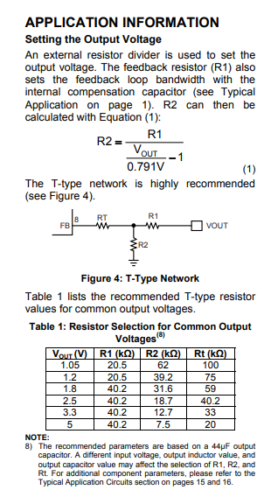
R2 | 7.51 | 7.33 | 7.00 | 4.25 | 13.97 | 12.30 | 11.39 | kΩ | Solve for R2

R1 | 39 | 39 | 39 | 39 | 39 | 39 | 39 | kΩ
R2 | 7.5 | 6.8 | 6.8 | 10 | 12 | 12 | 11 | kΩ
Vout | 4.90 | 5.33 | 5.33 | 3.88 | 3.36 | 3.36 | 3.60 | Volt | Solve for Vout

PRIMARY RESONANT FREQUENCY
L | 4.7 | uH |  |  |  |  |  |  | Inductor
C | 44 | uF |  |  |  |  |  |  | Filter capacitance
Fr | 23,382.9 | kHz |  |  |  |  |  |  | Resonant frequency

SECONDARY RESONANT FREQUENCY
L | 22 | uH |  |  |  |  |  |  | Inductor
C | 88 | uF |  |  |  |  |  |  | Filter capacitance
Fr | 266.8 | Hz |  |  |  |  |  |  | Resonant frequency

